Sheet1
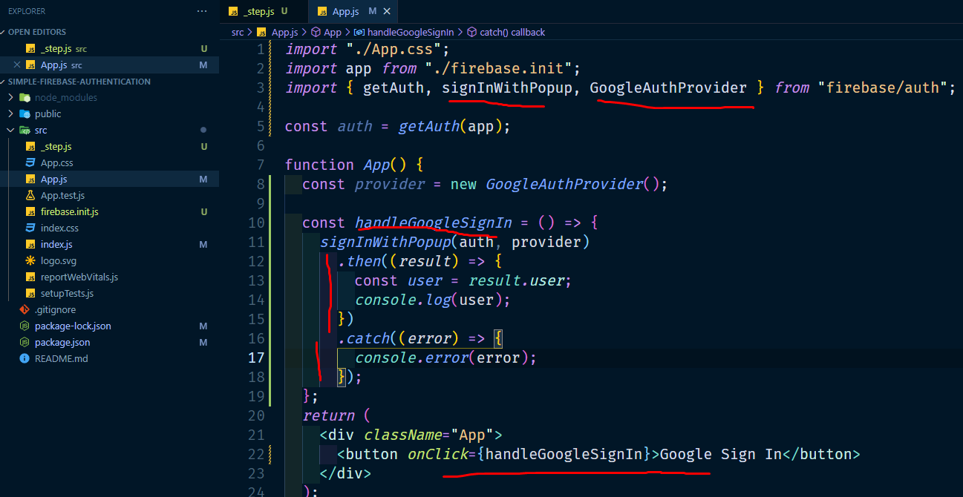
11. handle .then(if successfull) and catch error (if error)

